Presentation
 | CAS DE CHARGES OPTIMUS STUF 2019

IMPORTANT: TOUTES LES FORCES SONT POUR LE COTE DROIT DU VÉHICULE

Hypothese
BRAKING 2G | Normal Force on FR Wheel = Normal Force on FL Wheel
LEFT TURN 2G | Normal Force on RL Wheel = 0N
RIGHT TURN 2G | Normal Force on RR Wheel = 0N

Repere du MECAMASTER |  | Repere des points de filaire ASSY
X négatif | Vers l'avant | X Positif | Vers l'arriere
Y positif | Vers la gauche | Y positif | vers la droite
Z Positif | Vers le haut | Z positif | Vers le haut
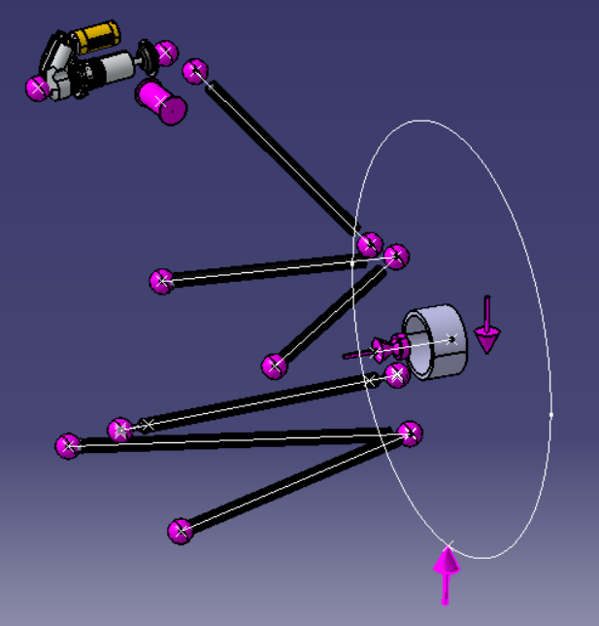
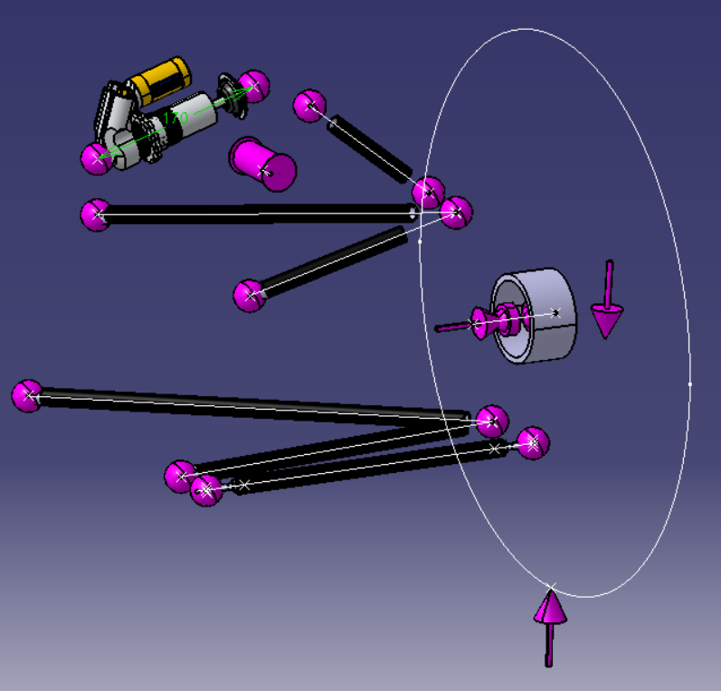

 | FR Wheel |  |  | RR Wheel

